Sheet2
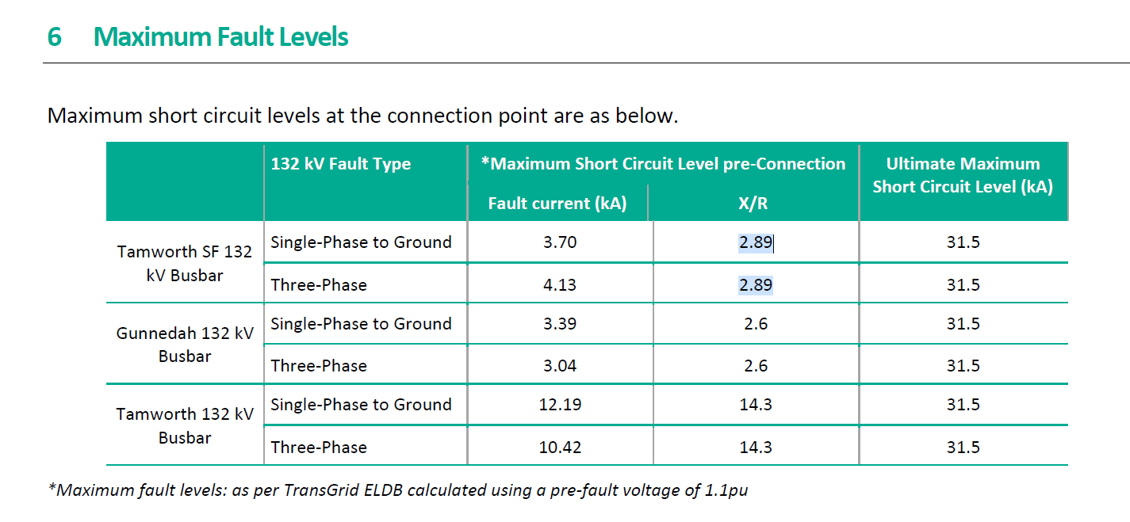
system base
Base Voltage (kV) | Base Power (MVA) | Base impedance (Ohm) | frequency (Hz) | plant rating (MVA)
132 | 100 | 174.24 | 50 | 83.6

if impedance is known

Thevenin R (Ohm) | Thevenin X(Ohm) | equivalent X (Henry) | Thevenin Z(OhM) | X/R ratio
66.2112 | 165.87648 | 0.52800123469 | 178.60271449 | 2.5052631579
Thevenin R (pu) | Thevenin X(pu) | equivalent X (pu) | Thevenin Z(pu) | X/R ratio
0.380 | 0.952 | -- | 1.025 | 2.5052631579

SCR calculation
Fault Level (MVA) | SCR
97.557307849 | 1.1669534432

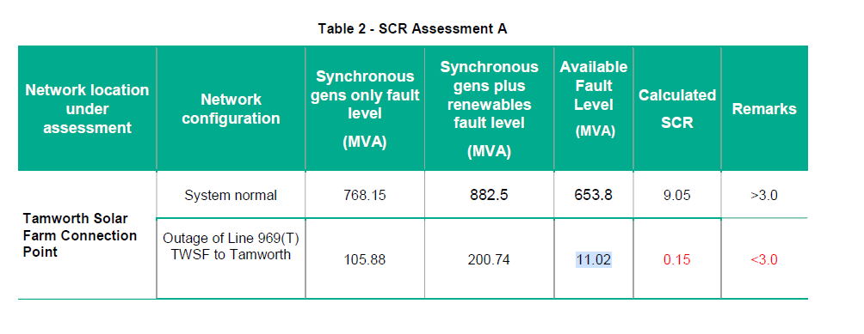

if SCR and X/R ratio is known

Thevenin R (Ohm) | Thevenin X(Ohm) | equivalent X (Henry) | Thevenin Z(OhM) | X/R ratio
7.5307535426 | 21.763877738 | 0.069276574457 | 23.029950567 | 2.89
Thevenin R (pu) | Thevenin X(pu) | equivalent X (pu) | Thevenin Z(pu) | X/R ratio
0.043221 | 0.124907 | -- | 0.132 | 2.89

SCR calculation
Fault Level (MVA) | SCR
756.58 | 9.05

 |  |  |  |  | z | 0.116486 | x/r | 2.17338

 |  |  |  |  | if SCR and X/R ratio is known

 |  |  |  |  | Thevenin R (Ohm) | Thevenin X(Ohm) | equivalent X (Henry) | Thevenin Z(OhM) | X/R ratio
 |  |  |  |  | 0.048690006208 | 0.10582188569 | #DIV/0! | 0.116486 | 2.17338
 |  |  |  |  | Thevenin R (pu) | Thevenin X(pu) | equivalent X (pu) | Thevenin Z(pu) | X/R ratio
 |  |  |  |  | 0.048690006208 | 0.10582188569 | -- | 0.116 | 2.17338

 |  |  |  |  | SCR calculation
 |  |  |  |  | Fault Level (MVA) | SCR
 |  |  |  |  | 0 | 9.05

